Station Map
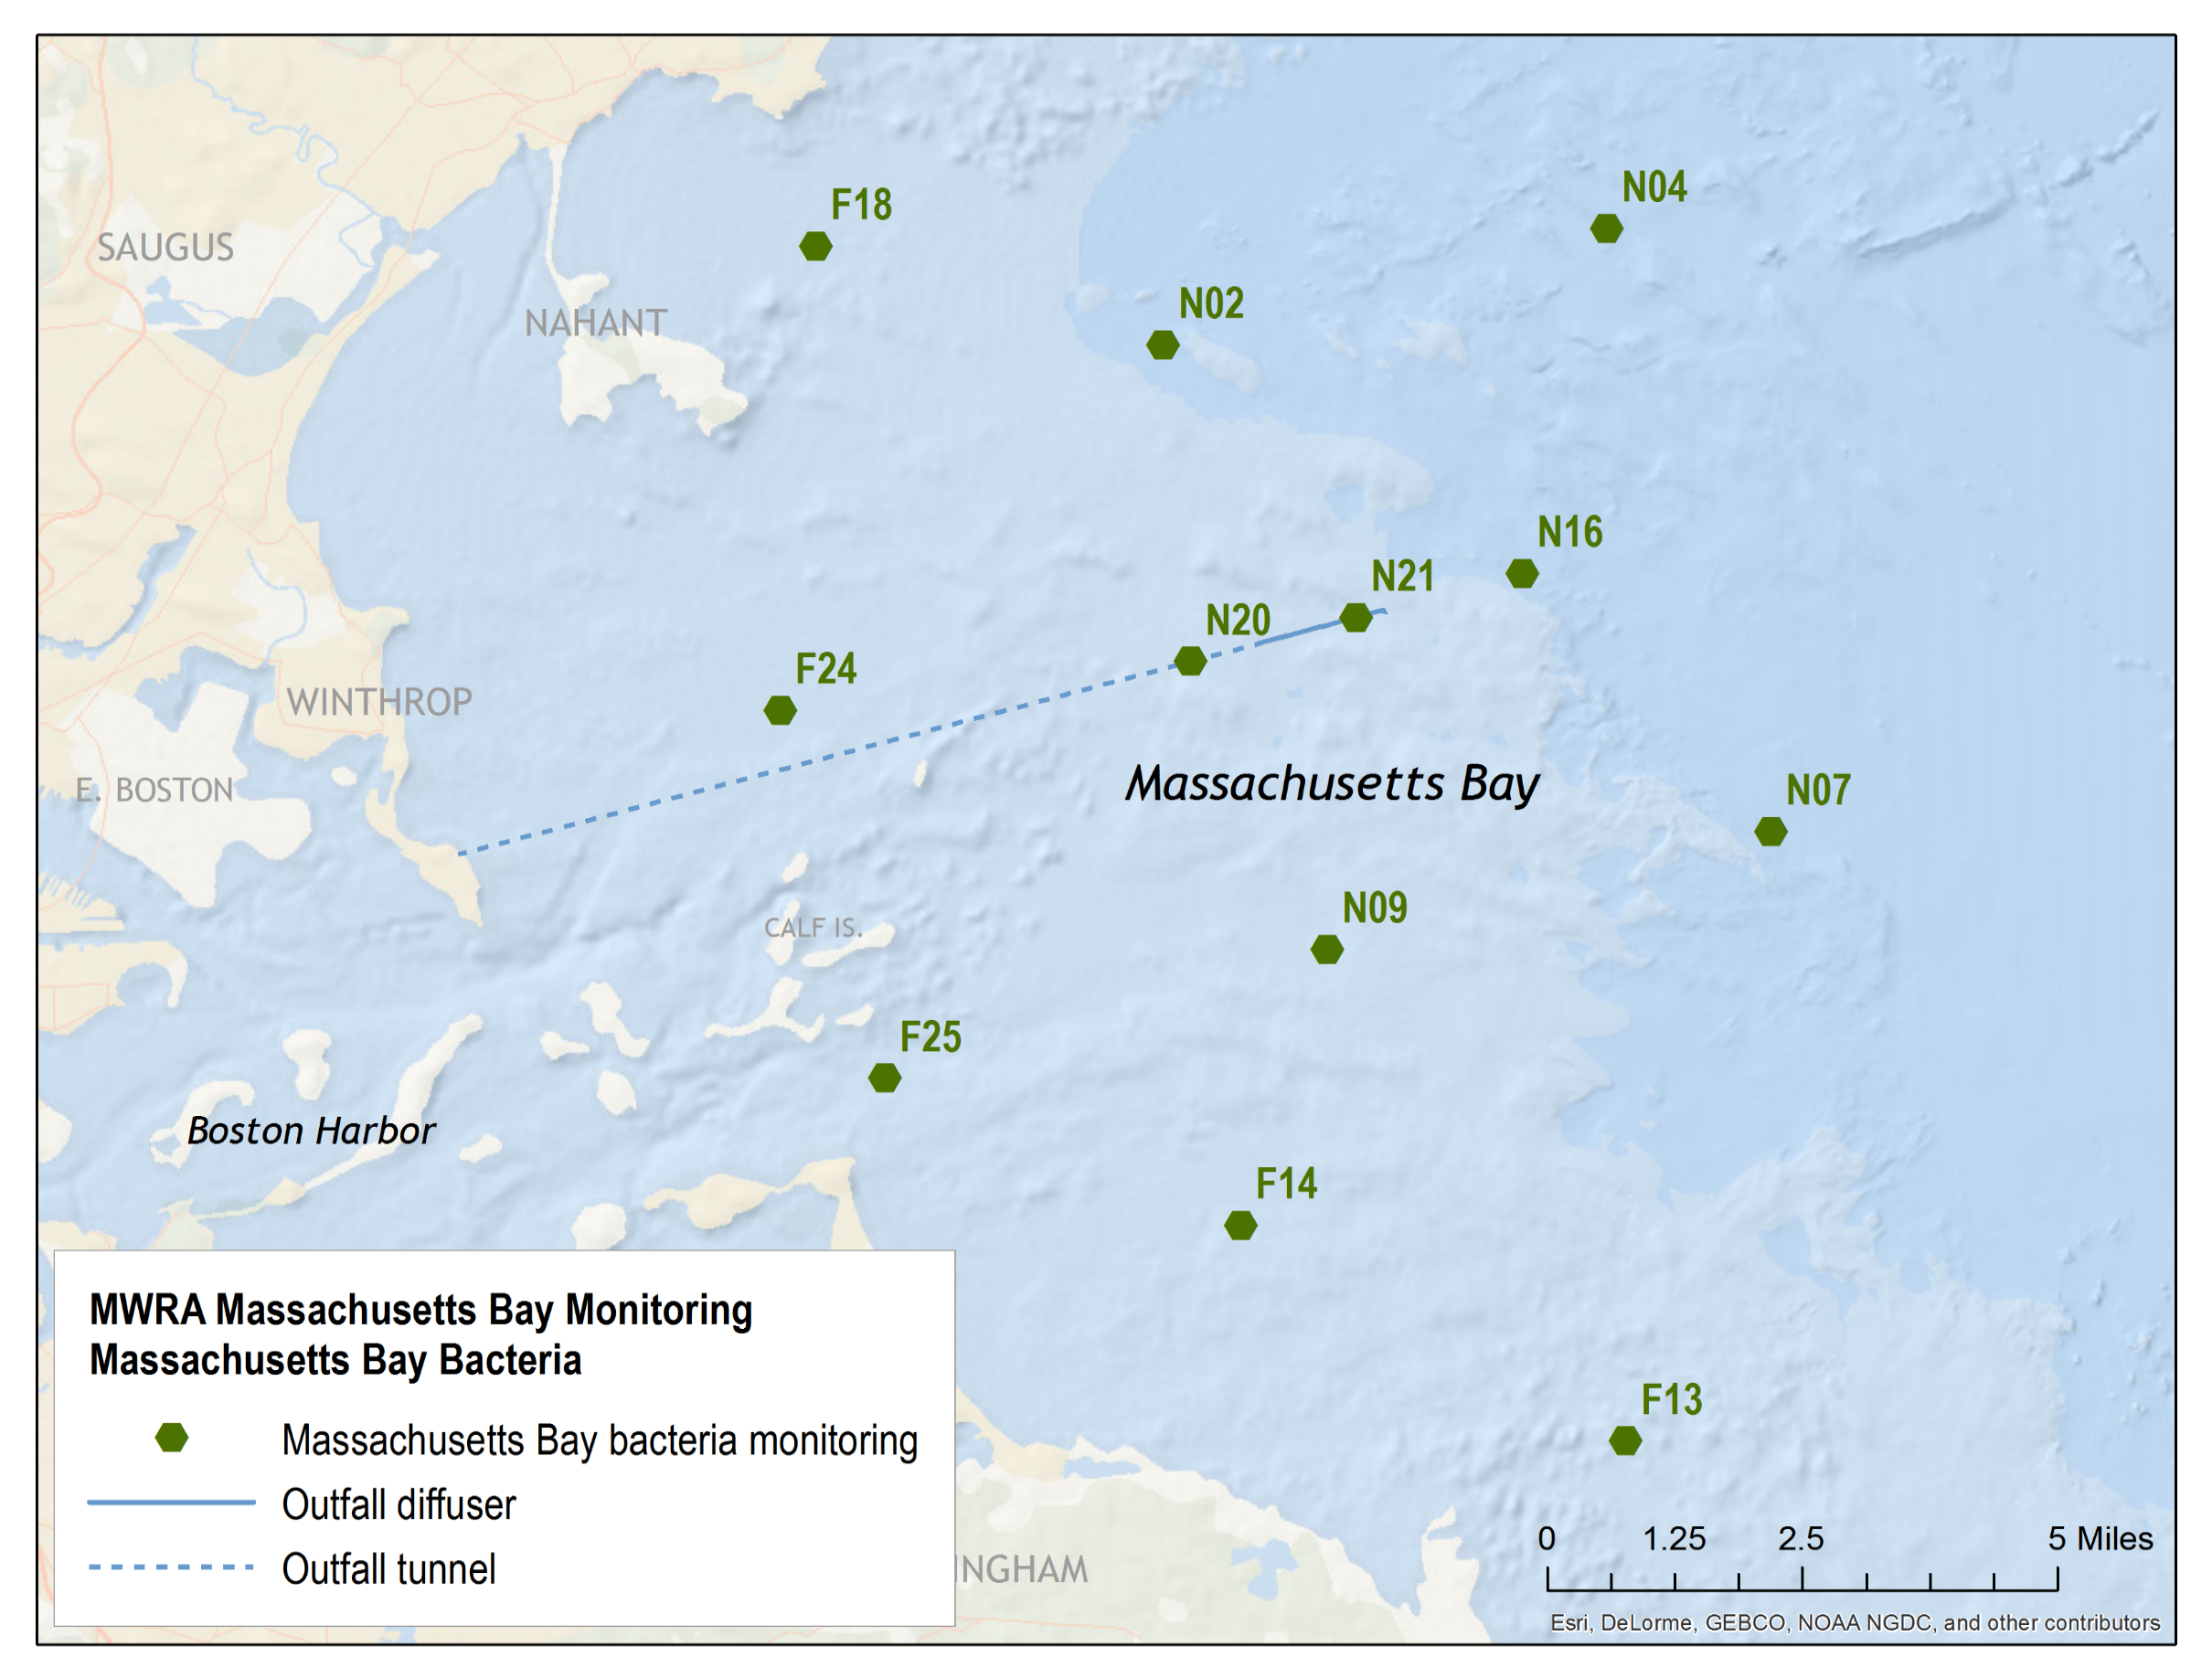

About our data
About our Data
Surveys of fecal coliform and Enterococcus are conducted monthly in Massachusetts Bay near the outfall. Additional monitoring is carried out following heavy rains or other events that may affect wastewater treatment and potentially have adverse effects in the bay.
Displayed are Enterococcus and fecal coliform counts. The U.S. Environmental Protection Agency uses Enterococcus as an indicator of public health risk to saltwater swimmers. There is a limit of 104 organisms/100 ml limit for recreational use waters, but no shellfishing limits are established for Enterococcus.
The Mass. Division of Marine Fisheries uses fecal coliform to monitor water quality in shellfishing areas, with a limit of 14 col/100 mL for shellfishing in unrestricted areas. "S" following the station id means sample was collected at surface; "P" means sample was collected below the pycnocline, the division between the surface warm and/or fresher water layer and the bottom cold and/or salty water layer (collected only if a pycnocline is present).
Results are in count/100 milliliters.

